Introduction
Specialist Sexual Health Services Evaluation Tool

This tool has been developed to enable local partners (providers and commissioners) to better understand the impact of the COVID-19 response on sexual health service provision.
Providers and commissioners will be discussing how services have changed and what this means for recovery and renewal plans. This tool is designed to support those conversations
by providing a standardised format for collection and analysis of service data (based primarily on existing GUMCAD and SRHAD codes) which will provide an overview of
(a) who is accessing services, (b) how they are accessing services and (c) what services are being delivered.

Those using the tool may choose to only complete some of the fields, depending on local needs, capacity and the availability of data. The data items included have been
identified as those that will be useful to inform local discussions between commissioners and providers, however users may wish to adapt the tool to reflect local priorities.

The tool has been developed through a collaborative process between PHE and Central North West London (CNWL) and with input from BASHH, English SH Commissioners Group and FSRH.

All partners across the system will be keen to learn from experiences during this period to inform help evidence based approaches as we adapt and change. PHE would be keen to
discuss with local areas how we can support this process; and how best to share our understanding of the impact of services changes on different population groups,
particularly those less well served or who are known to have poor health outcomes.

The tool can be used to compare the profile of current service users against attendance pre-COVID-19 (we suggest comparing with same time period last year).
The tool can be used on regular basis over coming months to inform future service provision by:
(a) providing an understanding of how access to services and the mode of consultation is changing over time
(b) evaluating the impact of introduction of specific initiatives aimed at improving access.

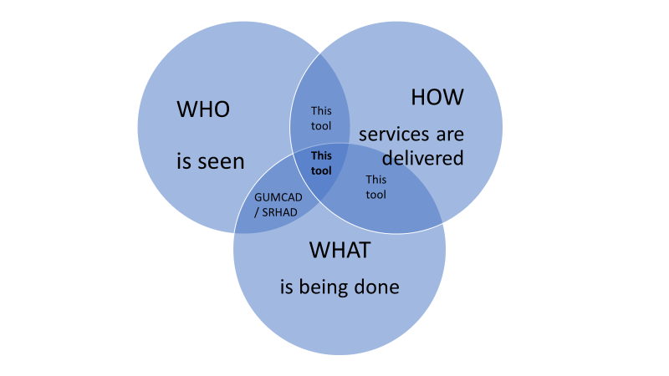

This diagram shows how the data collected through this rapid evaluation tool provides an overview of the change between two chosen periods (one since 'lockdown' started on 23rd March and the same period one year earlier) on who is seen, by service delivery method (face to face, online, telephone or video consultation), and what was done, and how this compares to the data available through service reported data sets (GUMCAD surveillance system and SRHAD).

This evaluation tool is part of a suite of resources for providers and commissioners to support evaluation of impact of COVID-19 related service changes on service access. These are:
1. Rapid Evaluation Tool - this tool
2. A PHE developed framework to evaluate service changes in Sexual Health, Reproductive Health and HIV, available here
3. A sample survey to assess healthcare workers' experience during Covid-19 lockdown
4. A sample service user survey to assess service users' experience during Covid-19 lockdown
5. A PHE template for practice examples to capture how sexual health services have adapted during the Covid-19 response

For further information and support with this tool please contact your local Sexual Health Facilitator:
North West | Jon.Dunn@phe.gov.uk
North East | Dawn.phillips@phe.gov.uk
Yorkshire and Humber | Georgina.wilkinson@phe.gov.uk
East Midlands | Deborah.shaw@phe.gov.uk
West Midlands | Simon.walker@phe.gov.uk
East of England | Shahin.Parmar@phe.gov.uk
South West | Norah.Obrien@phe.gov.uk
South East | Kate.Donohoe@phe.gov.uk
London | Helen.corkin@phe.gov.uk

